Sheet1
RULE |  | Judgement Rule for Taper Cone grinding roughness Graph |  |  |  |  |  |  | ISD-QA-024 | DATE :12.06.14
 |  |  |  |  |  |  |  |  |  | Issue 01 | Rev. 00

Part Name : Taper Cone Gears (C2,C-Low, M3, M4 & M5) |  |  |  |  | Date : 12.06.14
Model : 2PU & 2CW |  |  |  |  | Rev : 00

 |  |  | Ok Graph |  |  |  | NG/Abnormal Graph

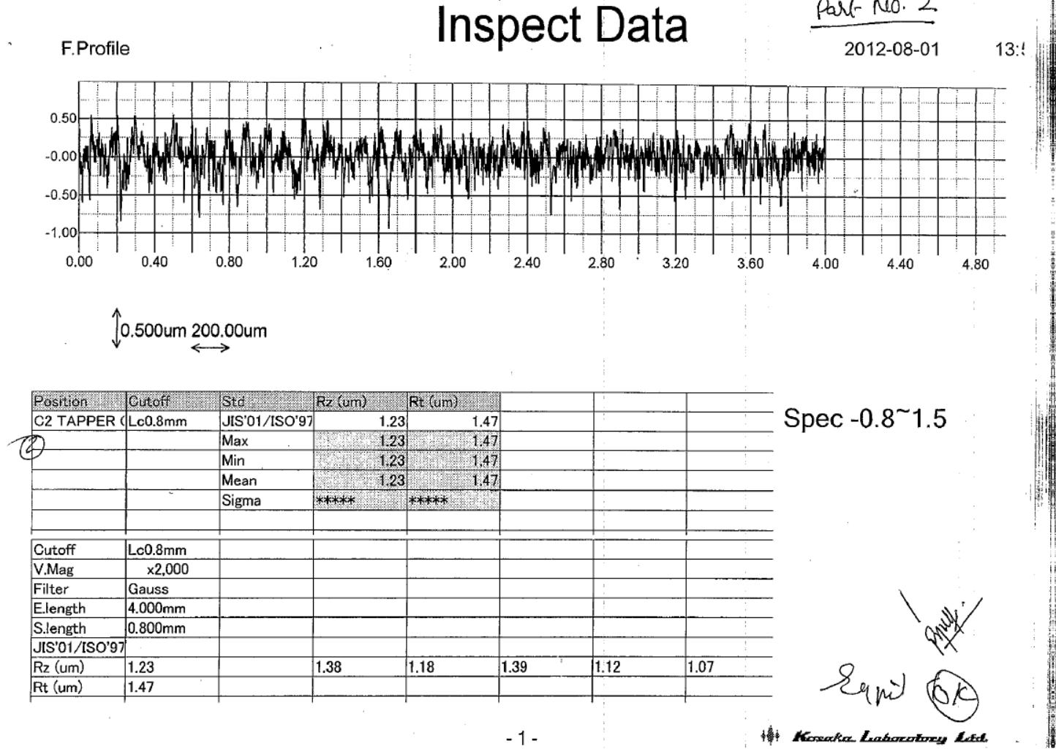
1

0

Local high point

2

4

Local deep valley point
2
3
5

Abnormal wave pattern

Check Points | Details
1 | There should not be any abnoramilty in the roughness pattern.
2 | Check parameters should be as per standard program made.
3 | Maximum of five value is the the judgement standard.
4 | Availablity of final drawing spec
5 | Ok/NG Judgement member signature

All high point towards bottom

 |  |  |  |  |  | 0 | 15.06.2014 | New Releases
 |  |  |  |  |  | Rev.No. | Date | Description

Prepared By: |  |  |  | Checked By: |  |  | Approved By:

